Instructions
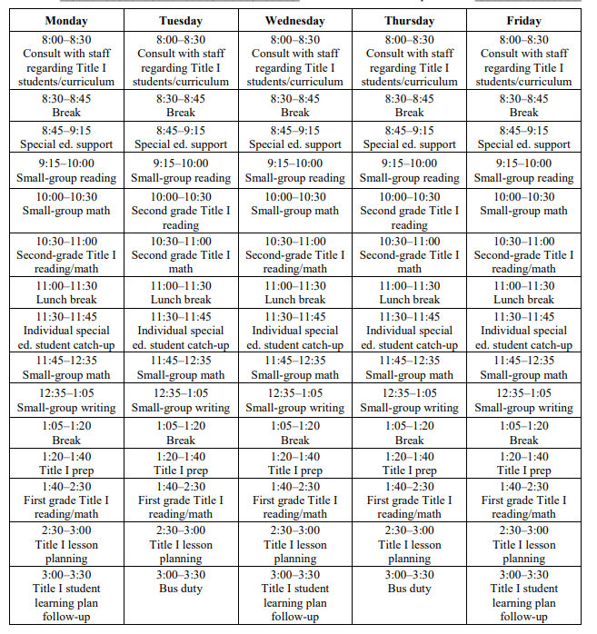
Periodic Certification with Predetermined Schedule |  | Example

The Fresno County Superintendent of Schools (FCSS) is funded by a number of Federal, State, and local sources. These sources are used to provide certain activities performed by employees. Documentation of the employees’ salaries and wages is necessary to support charges to these sources for those activities.

General Information
Employee Name | Enter the employee's first and last name.
Position/Title | Enter the employee's position or title.
School/Division/Dept | Enter the name of your school, division, or department - whichever is appropriate
Period Covered | Enter the period covered (i.e. 7/1/24 - 12/31/24).
Cost Objective/Program Title: | Enter the cost objective or program title (i.e. Extensive Service Needs).
Account Code | Enter the account code (i.e. 0100-33100-0-5760-1110-110000-0508-062).
Distribution of Time | Enter the % of your payroll assigned to this resource (i.e. 100%, 80%).

Predetermined Schedule
Use the calendar to provide a detailed schedule for each day of the week and the hours of the day. See example:

Signatures and Dates
Employee | Provide either a wet or digital signature and date. Submit to Supervisor or designee within two working days after the end of the period covered.
Supervisory Official | Provide either a wet or digital signature and date. Submit to the appropriate finance staff or designee within five working days after the end of the period covered.

Note: Employee and Supervisory Official must sign after the last day activities were performed, and date accordingly. Please see the appropriate finance staff if employee and/or supervisor are not available.

